Sheet1
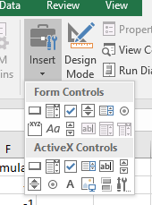
 | Lincked | Data |  | Formula

Form Control | FALSE | 2 | 3 | -1

ActiveX Control | TRUE | 2 | 3 | 5

