Сводная
Названия строк | Количество по полю A&B | Названия строк | Количество по полю A&C | Названия строк | Количество по полю A&D | Названия строк | Количество по полю A&D&B
34/54 | 320 | 81/43 | 160 | 98/20 | 240 | 98/20/40 | 240
98/40 | 240 | 84/51 | 80 | 19/46 | 160 | 59/16/76 | 80
81/94 | 160 | 19/25 | 80 | 59/16 | 80 | 81/64/94 | 80
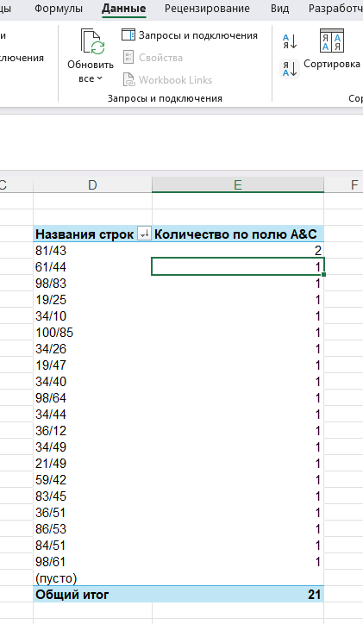
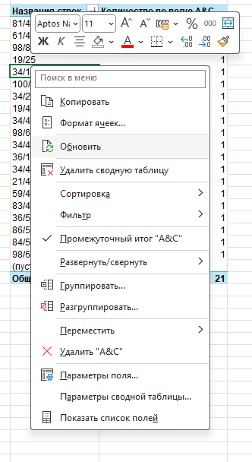
34/30 | 80 | 98/64 | 80 | 81/64 | 80 | 19/46/65 | 80
84/40 | 80 | 34/10 | 80 | 34/25 | 80 | 19/46/63 | 80
19/65 | 80 | 19/47 | 80 | 81/61 | 80 | 34/17/54 | 80
19/63 | 80 | 59/42 | 80 | 34/49 | 80 | 81/61/94 | 80
59/76 | 80 | 34/26 | 80 | 34/17 | 80 | 34/25/54 | 80
(пусто) |  | 98/61 | 80 | 84/20 | 80 | 84/20/40 | 80
Общий итог | 1120 | 34/40 | 80 | 34/89 | 80 | 34/49/54 | 80
 |  | 98/83 | 80 | 34/90 | 80 | 34/89/54 | 80
 |  | 34/44 | 80 | (пусто) |  | 34/90/30 | 80
 |  | 34/49 | 80 | Общий итог | 1120 | (пусто)
 |  | (пусто) |  |  |  | Общий итог | 1120
 |  | Общий итог | 1120

